Reed & Grouse Ltd
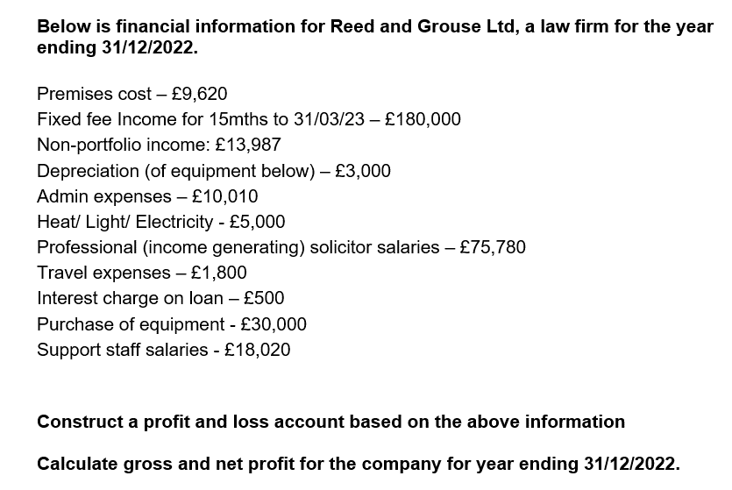
Profit and Loss account |  |  |  | Balance sheet
 | Performance
Income |  |  |  | Assets
 |  |  |  | Long-term > 12mths
 | Fixed Fee income |  | 144,000 |  | Equipment | 30,000.0
 | Non-portfolio income |  | 13,987 |  |  | (3,000.0)

 |  |  | 157,987
 |  |  |  | Short-term < 12mths
Expenditure
Direct
 | Solicitor salaries |  | (75,780)
 | Solicitor travel expenses |  | (1,800) |  |  | 0.0
 |  |  |  | Liabilities
 |  |  |  | Short-term < 12mths
 |  | Gross Profit | 80,407 |  | Deferred income | (36,000.0)

Indirect
 | Premises costs |  | (9,620) | Long-term > 12mths
 | Depreciation |  | (3,000)
 | Admin expenses |  | (10,010)
 | H/L/E/ |  | (5,000) |  |  | (9,000.0)
 | Interest charges |  | (500)
 | Support Staff salaries |  | (18,020)

 |  |  |  |  |  |  | 0
Profit/(Loss) |  | Net Profit | 34,257

 |  |  |  |  |  | 0.0

 |  |  | 34,257.0

 |  |  | 34,257.0

